1. Title Page
Grocery Basket Analysis

Project Name: Instacart Grocery Basket Analysis
Date: July 4 2023
Analyst Name: Alisha-Marie Shim-Pascual

Contents:
Population Flow
Consistency checks
Wrangling steps
Column derivations
Visualizations
Recommendations

Citation:
“The Instacart Online Grocery Shopping Dataset 2017”, Accessed from www.instacart.com/datasets/grocery-shopping-2017 via Kaggle on July 4, 2023.

2. Population Flow
Title page

Population flow

Exclusion flag
Condition: max_order <
Obervations to be removed:
Final total count of order_products_all:

df_merged_large
Orders_products_merged
df_merged

Total: 32404859
Total: 32434489
Total: 30328763

1.) The grey boxes in the first row of the population flow represent the original data sets as they were when you downloaded them. In the Total fields you need to add the count of the rows when you imported the data set into Jupyter.
2.) The second row of boxes (coloured) represents the data sets after you manipulated them, e.g., removed missing values and duplicates. In the Total fields you need to add the count of the rows after conducting these operations. This offers a visual oveview of how the data flows throughout the data consistency checks.
3.) The third row, where also the arrows are coloured, represents the merges you performed between the datasets. In the Total fields you need to add the count of the rows in the merged datasets, so that you end up with the final dataset (in the red box). Keep in mind the final dataset should be without exclusions (based on the exclusion flag).

3. Consistency checks
 |  |  |  | Title page
Consistency checks

Dataset | Missing values | Missing values treatment | Duplicates
orders | 206209 missing values in days_since_prior_order column | The NaN values were the first orders of the customers so no changes were made. | No duplicates.

products | No missing values. |  | No duplicates.

orders_products_prior | No missing values. |  | No duplicates.

customers | No missing values. |  | No duplicates.

4. Wrangling steps
 |  |  |  | Title page
Wrangling steps

Columns dropped | Columns renamed | Columns' type changed | Comment/Reason
df_ords.drop(columns = ['eval_set']) |  |  | Dropped the column because it is not needed for the analysis.
 | df_ords.rename(columns = {'order_dow' : 'orders_day_of_week'}, inplace = True) |  | Renamed the column to make it easier to understand.
 |  | df_ords['order_id'] = df_ords['order_id'].astype('str') | Changed the data type to string because it couldn't be an integer.
 | df_ords.rename(columns = {'order_hour_of_day' : 'hour_of_day_ordered'}, inplace = True) |  | Renamed the column to make it easier to understand.
df_ords_prods_comb = df_ords_prods_comb.drop(columns = ['_merge']) |  |  | Dropped the column because it is not needed for the analysis.
df_merged = df_merged.drop(columns = ['Unnamed: 0_x','Unnamed: 0_y']) |  |  | Dropped the columns because they were not needed and had no value to the analysis.
 | df_cx.rename(columns = {'STATE' : 'State'}, inplace = True) |  | Renamed the column to make it easier to understand and make more sense.
 | df_cx.rename(columns = {'n_dependants' : '#_of_dependants'}, inplace = True) |  | Renamed the column to make it easier to understand and make more sense.
 | df_cx.rename(columns = {'fam_status' : 'marital_status'}, inplace = True) |  | Renamed the column to make it easier to understand and make more sense.
 |  | df_cx['First Name'] = df_cx['First Name'].astype('str') | Changed the data type to string because it had mixed-types.

5. Column derivations
 |  |  |  |  |  | Title page

Column derivations and aggregations

Dataset | New column | Column/s it was derived from | Conditions | New column name | Frequencies
df_ords_prods_merged (first 1,000,000 rows) | price_range | prices | Low-range product <= 5 Mid-range product > 5 and <= 15 High-range product > 5 and <= 15 | price_range | Low-range product 756450 Mid-range product 243550
df_ords_prods_merged (all rows) | price_range_loc | prices | Low-range product <= 5 Mid-range product > 5 and <= 15 High-range product > 15 | price_range_loc | Low-range product 10126321 Mid-range product. 21860860 High-range product 417678
df_ords_prods_merged | busiest_day | order_dow | Least busy == 4 Regularly busy = all other Busiest day == 0 | busiest_day | Least busy 3783802 Regularly busy 22416875 Busiest day 6204182
df_ords_prods_merged | busiest_days | order_dow | Least busy == 4 or == 3 Regularly busy = all other Busiest day == 0 or == 1 | busiest_days | Least busy 7624336 Regularly busy 12916111 Busiest day 11864412
df_ords_prods_merged | busiest_period_of_day | order_hour_of_day | Fewest orders = 23, 6, 0, 1, 5, 2, 4, 3 Average orders = all other Most orders = 10, 11, 14, 15, 13, 12, 16, 9 | busiest_period_of_day | Fewest orders 1289137 Average orders 9997651 Most orders 21118071
df_ords_prods_merged | max_order | user_id and order_number | groupby(['user_id'])['order_number'].transform(np.max) | max_order | Min 1 Max 99
df_ords_prods_merg_upd | loyalty_flag | max_order | New customer <= 10 Regular customer <= 40 & > 10 Loyal customer > 40 | loyalty_flag | New customer 6243990 Regular customer 15876776 Loyal customer 10284093
df_ords_prods_merg_upd | mean_price | user_id and prices | groupby(['user_id'])['prices'].transform(np.mean) | mean_price | Min 1 Max 25
df_ords_prods_merg_upd | spending_flag | mean_price | Low spender < 10 High spender >= 10 | spending_flag | Low spender 31770614 High spender 634245
df_ords_prods_merg_upd | frequency_flag | user_id and days_since_prior_order | Non-Frequent customer Regular customer Frequent customer | frequency_flag | Non-Frequent customer 3636437 Regular customer 7208564 Frequent customer 21559853
merged_4_9 | region | state | Midwest = Wisconsin, Michigan, Illinois, Indiana, Ohio, North Dakota, South Dakota, Nebraska, Kansas, Minnesota, Iowa, Missouri Northeast = Maine, New Hampshire, Vermont, Massachusetts, Rhode Island, Connecticut, New York, Pennsylvania, New Jersey South = Delaware, Maryland, District of Colombia, Virginia, West Virginia, North Carolina, South Carolina, Georgia, Florida, Kentucky, Tennessee, Mississippi, Alabama, Oklahoma, Texas, Arkansas, Louisina West = all other | region | Midwest 7107586 Northeast 5356272 South 10099817 West 7765088
merged_4_9 | customer_activity | max_order | Low-activity customer <5 High-activity customer >=5 | customer_activity | Low-activity customer 1025482 High-activity customer 29303281
merged_4_9 | income_level | income | Low Income < 40000 Moderate Income >= 40000 & < 80000 High Income >= 80000 | income_level | Low Income 1599576 Moderate Income 9206617 High Income 19522570
merged_4_9 | age_group | age | Young adult <35 Middle-aged >= 35 & < 60 Elderly >= 60 | age_group | Young adult 8073783 Middle-aged 11898874 Elderly 10356106
master_merge | pet_owner | department_id | pet_owner ==8 non-pet_owner !=8 | pet_owner | pet_owner 91093 non-pet_owner 30237670
master_merge | dependants | #_of_dependants | No Dependants == 0 Has Dependants > 0 | dependants | No Dependants 7579348 Has Dependants 22749415
master_merge | customer_profile | dependants and age_group | Young parent Middle-aged parent Elderly parent Young adult w/ no children Middle-aged w/ no children Elderly w/ no children | customer_profile | Young parent 6055764 Middle-aged parent 8931871 Elderly parent 7761780 Young adult w/ no children 2018019 Middle-aged w/ no children 2967003 Elderly w/ no children 2594326

6. Visualizations
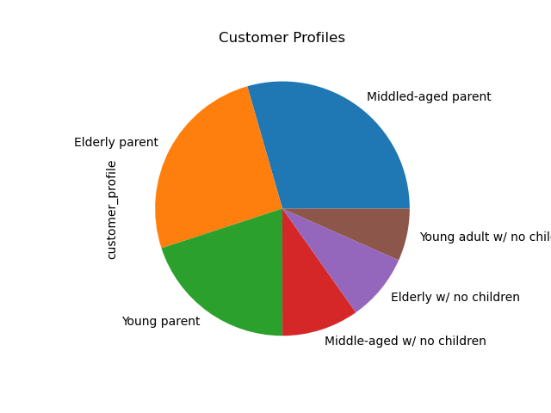
 |  |  | Title page

Visualisations

In this tab you should include all the visualtions from Exercises 4.9 and 4.10, alongside the questions from the project brief that they answer. Include any commentary on the relationship between different variables.

The sales team needs to know what the busiest days of the week and hours of the day are (i.e., the days and times with the most orders) in order to schedule ads at times when there are fewer orders.
They also want to know whether there are particular times of the day when people spend the most money, as this might inform the type of products they advertise at these times.
Number of Orders by Day of the Week |  | Number of Orders by Hour of the Day



X-axis = Day of the Week, Y-axis = # of Orders |  | X-axis = Hour of the Day, Y-axis = # of Orders

0-6 is Saturday - Friday.
Saturday is the busiest day of the week followed by Sunday. Which is understandable because most people are off on the weekends. And the least busy days are Tuesday and Wednesday because most people are working during the week days.
The number of orders start to increase by hour 6 (6 AM)and reaches its peak at hour 10 (10 AM) and has a steady amount of orders till hour 16 (4 PM) and decreases from there. Which is a little odd because 10-4 is usually when prople are at work.

Instacart has a lot of products with different price tags. Marketing and sales want to use simpler price range groupings to help direct their efforts.

Sales by Price of Items



X-axis = Price of Items, Y-axis = Frequency of Items

This chart shows the items that are priced $25 and under. The most bought item is around $7 and second is around $12.

Are there certain types of products that are more popular than others? The marketing and sales teams want to know which departments have the highest frequency of product orders.

 | I did not make any charts for this question.

Customers by Age Group
All other charts.
Customers by Dependants
Customers by Income

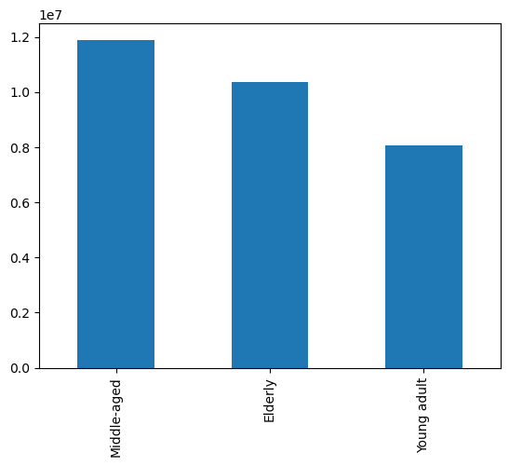
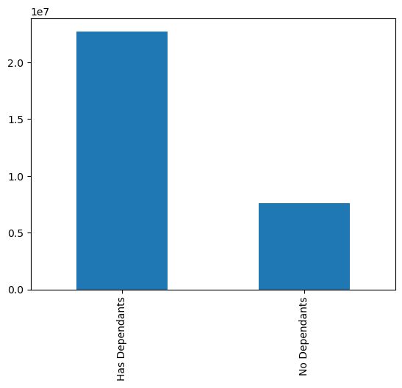
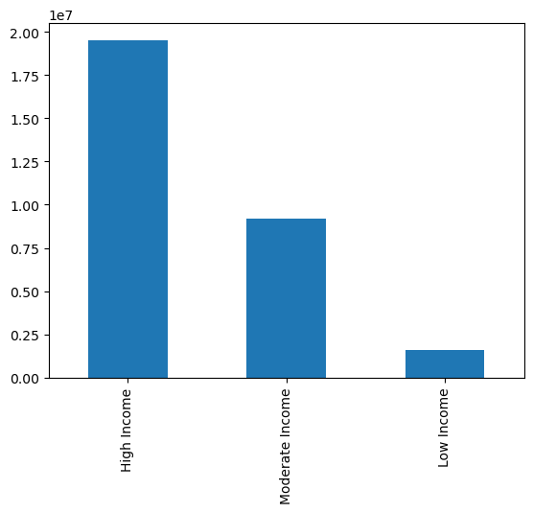

Pet Owner Customers
Customers by Loyalty Flag
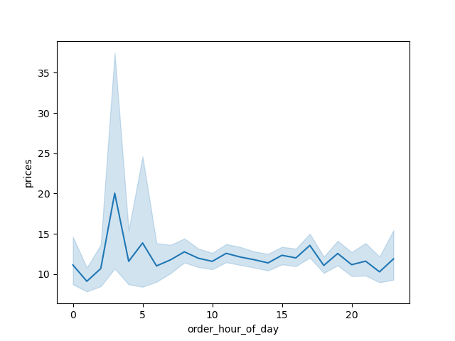
Prices of Orders by Hour of Day

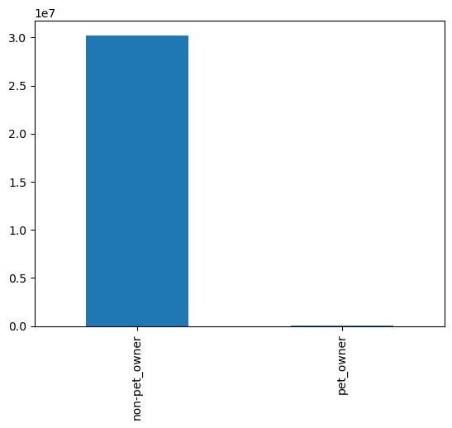



Customers by Age and Income
Customers by Customer Profile and Departments
Customers by Region

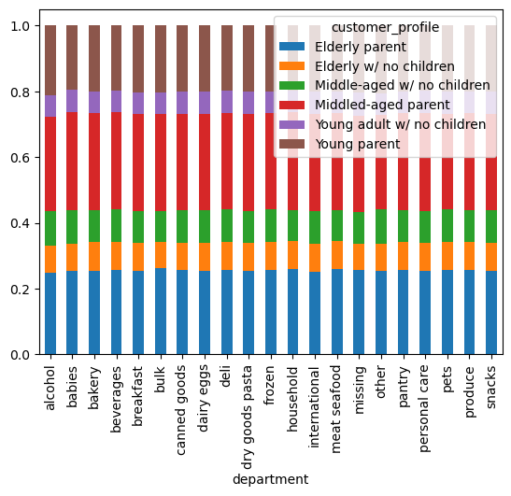
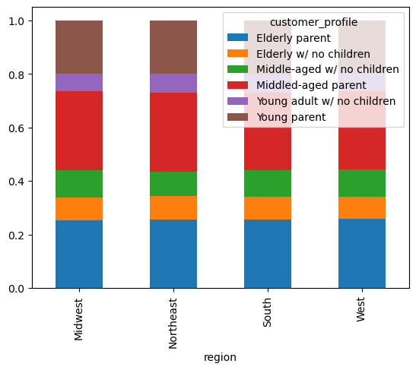

Customers by Customer Profile

7. Recommendations
 |  |  |  | Title page

Recommendations

In this tab you should include any recommendations you would made to Instcart in terms of their marketing strategy based on the questions posed in the brief. Every key question has been covered in the Tasks of the Exercises - here you need to add an item - a visualisation or table/crosstable that is showing the answer in the data, acompanied by a comment from you. Please, list the questions below and add the answer underneath.

Key Question 1
The sales team needs to know what the busiest days of the week and hours of the day are (i.e., the days and times with the most orders) in order to schedule ads at times when there are fewer orders.
Number of Orders by Day of the Week
Number of Orders by Hour of the Day

Results and Recommendations:
- The busiest days are Sturday and Sunday. And the busiest hours would be hours 9-16 which is 9 AM - 4 PM.
- The days that are not as busy and would be best to target for ads would be weekdays Monday - Friday because most people are at work during the weekdays unlike the weekends where most people are off.
- The times that are not as busy and would be best to target for ads would be the early mornings and evenings when most people are not at work. Which would be hours before 9 AM and hours after 4 PM.

Key Question 2
They also want to know whether there are particular times of the day when people spend the most money, as this might inform the type of products they advertise at these times.

Prices of Orders by Hour of Day

Results and Recommendations:
- The peak of prices are in the early morming around 3 AM at around $20. With the rest of the day at a steady level.

Key Question 3
Instacart has a lot of products with different price tags. Marketing and sales want to use simpler price range groupings to help direct their efforts.
Sales by Price of Items

 | Price range | Definition | Orders
 | Low Range | <= 5 | 10126321
 | Mid Range | > 5 and <= 15 | 21860860
 | High Range | > 5 and <= 15 | 417678

Key Question 4
Are there certain types of products that are more popular than others? The marketing and sales teams want to know which departments have the highest frequency of product orders.

I didn’t make any charts or visualizations for this question.

Key Question 5
What’s the distribution among users in regards to their brand loyalty (i.e., how often do they return to Instacart)?

Key Question 6
Are there differences in ordering habits based on a customer’s loyalty status?

I don’t have a chart or visualization for this question.

Key Question 7
Are there differences in ordering habits based on a customer’s region?

I don’t have a chart or visualization for this question.

Key Question 8
Is there a connection between age and family status in terms of ordering habits?

I don’t have a chart or visualization for this question.

Key Question 9
What different classifications does the demographic information suggest? Age? Income? Certain types of goods? Family status?

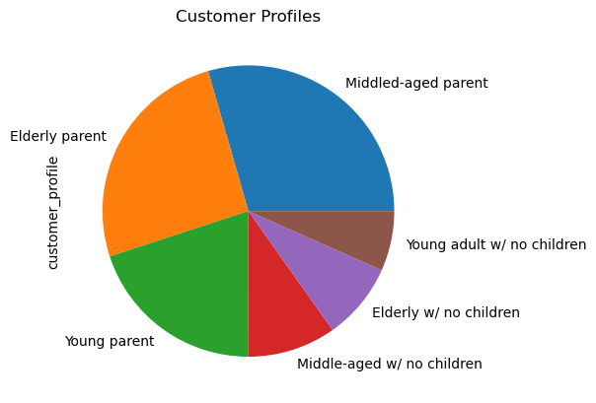

Results and Recommendations:
-

Key Question 10
What differences can you find in ordering habits of different customer profiles? Consider the price of orders, the frequency of orders, the products customers are ordering, and anything else you can think of.

I don’t have a chart or visualization for this question.

